costco receipt
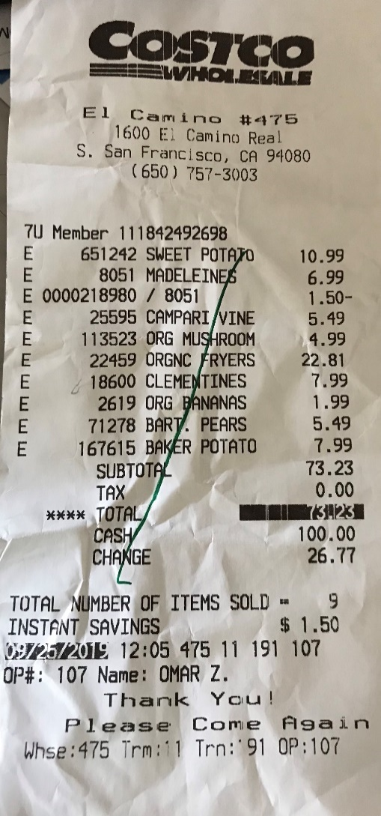
Table | Column1 | Column2 | Column3 | Column4

Store | location_id | location_name | address | phone
 | 475 | El Camino | 1600 E. Camino Real | (650) 757-3003

Customer | customer_id
 | 111842492698

Product | product_id | product_name | price
 | 651242 | Sweet Potato | 10.99
 | 8051 | Madelines | 6.99
 | 25595 | Campari Vine | 5.49
 | 113523 | Org Mushroom | 4.99
 | 22459 | Orgnc Fryers | 22.81
 | 18600 | Clementines | 7.99
 | 2619 | Org Bananas | 1.99

Transaction | transaction_id | transaction_time
 | 47511191107 | 9/25/19

Employee | employee_id | employee name
 | 107 | Omar Z.

EER Sample Database
